Input
 | Inch
O.C. | 16 |  |  |  |  |  | Center
O.C left over | 11.3
Steel Stud Width | 1.62
Wall Height | 204
Number of Intermediate sections | 6

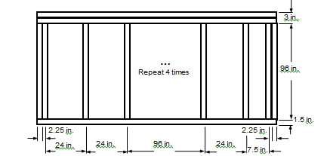
Center | Inch |  | End1 | Inch | End2 | Inch
Sill | 2.217 |  | Sill | 2.217 | Sill | 2.217
Head | 1.62 |  | Head | 1.62 | Head | 1.62
Jamb-L | 1.62 |  | Jamb-L | 4.86 | Jamb-L | 4.86
Jamb-R | 1.62 |  | Jamb-R | 4.86 | Jamb-R | 4.86

South WALL - Middle

 |  | IP [Btu/hr-ft2-F]

 | Frame | Edge | Center
Hor-Intermediate | 0.1588 | 0.0692 | 0.0318
Hor-End1 | 0.1719 | 0.0716
Hor-End2 | 0.1706 | 0.0693
Ver-Head | 0.1755 | 0.0799
Ver-Sill | 0.1949 | 0.0857

 | SI [W/m2-k]

 | Frame | Edge | Center
Hor-Intermediate | 0.9019 | 0.393 | 0.1803
Hor-End1 | 0.976 | 0.4064
Hor-End2 | 0.9684 | 0.3936
Ver-Head | 0.9963 | 0.4538
Ver-Sill | 1.1067 | 0.4867

